Blad1
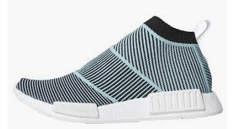
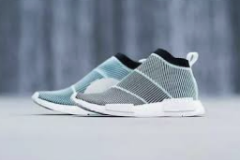
 |  | ADIDAS IN STOCK!

Photo | Article | Model | UK | 3.5 | 4 | 4.5 | 5 | 5.5 | 6 | 6.5 | 7 | 7.5 | 8 | 8.5 | 9 | 9.5 | 10 | 10.5 | 11.5 | 12.5 | 13 | 13.5 | Total | RRP/UVP
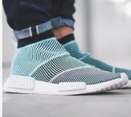 | AC8597 | Adidas Nmd CS1 Primeknit |  | 24 | 24 | 46 | 62 | 46 | 50 | 70 | 46 | 56 | 46 | 54 | 60 | 60 | 60 | 36 | 16 | 8 | 2 | 2 | 768 | € 220.00
 |  |  |  |  |  |  |  |  |  |  |  |  |  |  |  |  |  |  |  |  |  |  | 768

